Instructions
 | Troop TX-0226
 | 12-Month Master Plan
 | TEMPLATE INSTRUCTIONS

1 | CHANGE 12-Month Date Range
 | Change the 12-month data range shown on the plan by entering it here in the shaded field. Enter the range by entering 'First year to Second year. You must enter an open quote start your entry. This range will show up on all plan months automatically by entering it here. | Aug 2014 to Jul 2015
2 | Adding Content - Leadership Meetings
 | - Add monthly troop meeting dates across the top - Add an "X" for dates where a type of meeting occurs; for example a Troop Committee meeting occurs the first Tuesday of each month.
3 | Adding Content - Troop Meetings
 | - There are sections for up to 5 days of troop meeting - Each section is separated by a wide black line - For each section add the following: + Meeting date + Service patrol name + Program patrol name + Woodlands Trail program content (receive content from the Ranger) + Navigators and Adventures program content (game, Trail to Ready Trailman content, Trail to Freedom Rangeman content, skill session content) + Other information for the meeting (e.g., Court of Honor, uniform inspection, etc.) - If there are only 4 meetings for a given month, leave the 5th section blank
4 | Adding Content - Troop Camping/Activity
 | - There are sections for up to 3 activities - Each section is separated by a wide black line - For each section add the following: + Activity date + Activity location + Activity distance + Units included (Woodlands Trail, Navigators, Adventurers) + Trail to Ready Trailman program content + Trail to Freedom Rangeman content + Other information for the activity (e.g., beneficiary of service project if it activity is a service project) - Leave sections blank that are not used
5 | Printing plan
 | To print the plan hold down the CTRL button and highlight all of the month tabs that are to be printed. Microsoft will shade each month selected. When the months are selected, print as you would normally. When you are done printing, click on a tab that is not selected to deselect the pages for printing. (NOTE: you do not want multiple tabs selected when you are entering content or changes will be made to all pages at once.
6 | Saving the plan as a PDF file
 | 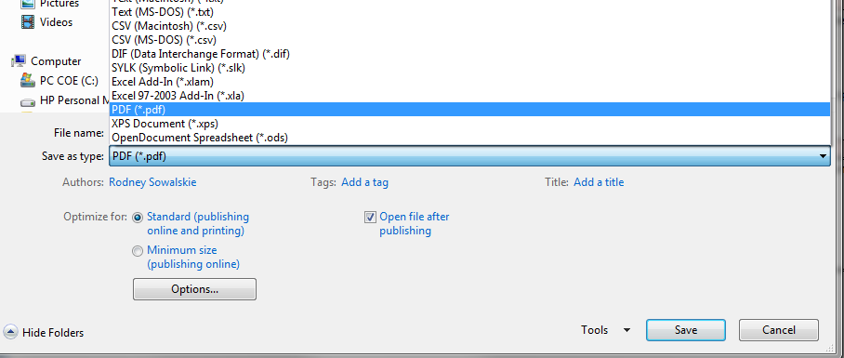 To print the plan hold down the CTRL button and highlight all of the month tabs that are to be saved as a PDF. Microsoft will shade each month selected. - Selected file SAVE AS - Under Save as type, choose PDF - Click save and save in a location of your choice
7 | Updating the plan
 | Every 6 months the plan will need to be updated. Move completed months to the end of the tabs by clicking and holding then dragging the tab to the end of the tabs. This tab can then be updated with new content as required.

